Worksheet
 | Product code | EAN | Description | Quantity
 | 10513 | 4250284146444 | Sür Ski winter gloves Ethno - Chocolate, brown, size L / XL, length: 23 cm, width: 11 cm. | 2
 | 105130 | 4250284146468 | Sür Winter gloves Ethnic-Green, size: L / XL, length: 23 cm, width: 11 cm. | 99
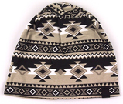 | 10510 | 4250284145812 | Sür Beanie Ethno - Chocolate, ethnic reversible hat in black / white / gray. Dimensions: 28 x 24.5 cm. Composition: 95% cotton, 5% elastane. | 2066
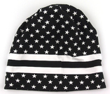 | 105100 | 4250284145867 | Sür Beanie reversible beanie with stars black / white. Dimensions: 28 x 24.5 cm. Composition: 95 % Baumwolle, 5 % Elasthan. | 574
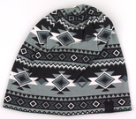 | 1051000 | 4250284145836 | Sür Beanie Ethno - Forest, ethnic skater hat, color: black / white / green. Dimensions: 28 x 24.5 cm. Composition: 95% cotton, 5% elastane. | 1931
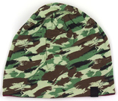 | 10510000 | 4250284145799 | Sür Beanie Camo Woodland - Maroon, skater hat in green camouflage. Dimensions: 28 x 24.5 cm. Composition: 95% cotton, 5% elastane. | 2044
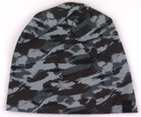 | 105101 | 4250284145768 | Sür Cool Beanie, black and gray camouflage skater hat. Dimensions: 28 x 24.5 cm. Composition: 95% cotton, 5% elastane. | 1756
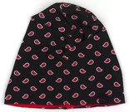 | 105102 | 4250284145843 | Sür Beanie Paisley - Red, double - sided cap with a pattern, color: black / red. Dimensions: 28 x 24.5 cm. Composition: 95% cotton, 5% elastane. | 2584
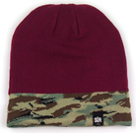 | 10508 | 4250284145348 | Sür Beanie Camo Woodland - Maroon, burgundy beanie. Dimensions: 23 x 21.5 cm. Composition: 95% polyacrylic, 5% elastane. | 7
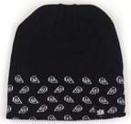 | 1050800 | 4250284145522 | Sür Beanie Paisley - Black, black beanie. Dimensions: 21.5 x 23 cm. Composition: 95% polyacrylic, 5% elastane. | 17
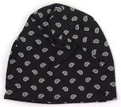 | 105103 | 4250284145850 | Sür Beanie Paisley - Black, double - sided cap with a pattern, color: black / white. Dimensions: 28 x 24.5 cm. Composition: 95% cotton, 5% elastane. | 2038
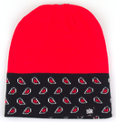 | 1050802 | 4250284145485 | Sür Beanie Paisley - Red red cap. Dimensions: 21.5 x 23 cm. Composition: 95% polyacrylic, 5% elastane. | 174
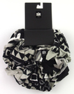 | 10507 | 4250284146260 | Sür Ethno - Chocolate tube scarf, Colors: black / white / gray. Length: 86 cm, width: 42 cm. Composition: 100% viscose. | 350
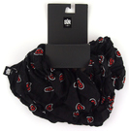 | 105070 | 4250284146291 | Sür Paisley - Red neck scarf, colors: black / red. Length: 86 cm, width: 42 cm. Composition: 100% viscose. | 442
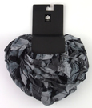 | 105071 | 4250284146239 | Sür Camo Black - Gray scarf, colors: gray / black. Length: 86 cm, width: 42 cm. Composition: 100% viscose. | 255
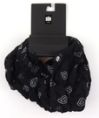 | 105072 | 4250284146307 | Sür Paisley - Black neck scarf, colors: black / gray. Length: 86 cm, width: 42 cm. Composition: 100% viscose. | 453
 | 105073 | 4250284146246 | Sür Camo Woodland - Maroon scarf, colors: green / brown / gray. Length: 86 cm, width: 42 cm. Composition: 100% viscose. | 394
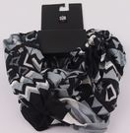 | 105074 | 4250284146284 | Sür Ethno - Forest tube scarf, colors: black / white / gray. Length: 86 cm, width: 42 cm. Composition: 100% viscose. | 704
 | 10522 | 4250284145386 | Sür Ethno - Forest green leather belt, mix of lengths - 107 and 117 cm. | 154
 | 105220 | 4250284145874 | Sür Camo Woodland - Maroon leather belt, color: burgundy, mix of lengths - 107 and 117 cm. | 425
 | 10665 | 4250284189267 | Sür Ht Charcoal jersey gym bag. Length: 44 cm, width: 32 cm, color: gray. Material: jersey. | 369
 |  |  |  | 16838

